Invoice 2010
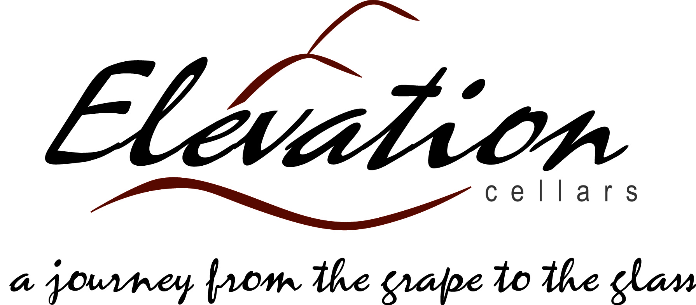 |  | Order To Benefit Eastside Eagles and Lake Sammamish Lacrosse

19495 144th Ave NE, A-115
Woodinville, WA 98072
pat@elevationcellars.com
 |  |  | * Please ship my order
 |  |  | I will pick up my order
 |  |  | Please send Wine Club info

To:
Name on Card
Address
City, State, Zip
Phone
Email
Quantity | Description | Unit Price | Amount
 | 2008 Monolith | $34.00 | $0.00
 | 2009 Monolith | $34.00 | $0.00
 | 2010 Cabernet Sauvignon | $25.00 | $0.00
 | 2011 Imperium Riesling | $16.00 | $0.00
 | 2010 Merlot | $25.00 | $0.00
 | 2010 Jammin' Red Blend | $19.00 | $0.00
 | 2012 Sauvignon Blanc | $22.00 | $0.00
 | *shipping charges may apply
 | 9.5% Sales Tax will be applied |  | $0.00
 | Total |  | $0.00
Credit Card Information - VISA, MC, Disover or Amex |  | Exp Date
Card #
Name on Card
Billing Address if different
Signature

