Sheet1
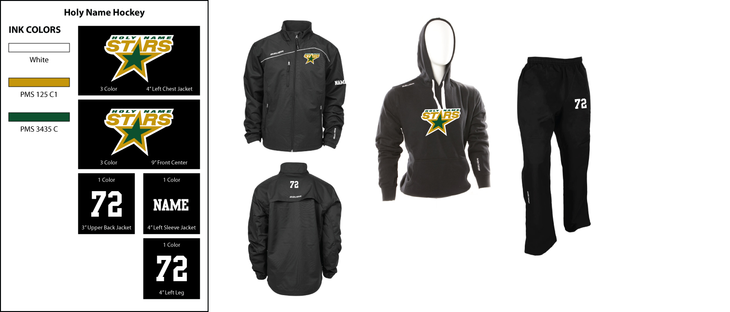
HOLY NAME HOCKEY - ORDERS DUE TO KATIE BY OCTOBER 10,2014
NAME : |  |  | ADDRESS: |  | Rep: STU
 |  |  | CITY.STATE,ZIP
PHONE: |  |  | EMAIL: |  | Rep Email: SBERNSTEIN@PUREHOCKEY.COM
CREDIT CARD # |  |  | EXP DATE: SEC. CODE: |  | Rep phone#: 508-541-6100 X22
Player# | SIZES AVAILABLE | COLOR | ITEMS AVAILABLE | QTY. | YOUR SIZE | PRICE | TOTAL
 | XS,S,M,L,XL,XXL | BLACK | ADULT MIDWEIGHT RINK JACKET (INCLUDES LOGO) |  |  | $52.00
 | 2XS,S,M,L,XL | BLACK | YOUTH MIDWEIGHT JACKET (INCLUDES LOGO) |  |  | $47.00
 | S,M,L,XL,XXL | BLACK | ADULT LIGHTWEIGHT JACKET (INCLUDES LOGO) |  |  | $47.00
 | 2XS,XS,S,M,L,XL | BLACK | YOUTH LIGHTWEIGHT JACKET (INCLUDES LOGO) |  |  | $44.00
 | S,M,L,XL,XXL | BLACK | ADULT LIGHTWEIGHT PANT |  |  | $39.00
 | 2XS,XS,S,M,L,XL | BLACK | YOUTH LIGHTWEIGHT PANT |  |  | $35.00
 | S,M,L,XL,XXL | BLACK | ADULT TEAM HOODIE (INCLUDES SCREEN LOGO) |  |  | $32.00
 | XS,S,M,L,XL | BLACK | YOUTH TEAM HOODIE (INCLUDES SCREEN LOGO) |  |  | $29.00
 |  | WHITE | ADD NAME TO LEFT JACKET SLEEVE |  |  | $6.00
 |  | WHITE | ADD NUMBER TO BACK OF NECK ON JACKET |  |  | $6.00
 |  | WHITE | ADD NUMBER TO LEFT LEG OF PANT |  |  | $6.00
 |  |  | SHIPPING CHARGE |  |  | $8.00
TOTAL DUE |  |  | PLEASE MAKE CHECKS PAYABLE TO PURE HOCKEY |  |  |  | $0.00

